Process Flow
IT Requester: person who is responsible for purchase
Global Procurement
IT Requisitioner: person who enters the PR in the system
 | IT Requester identifies need to procure a product or service |  | License Desk Involvement to be defined
Capital Purchase?
yes
no
 |  | IT Requester follows Capital Process

 | IT Requester identifies and secures funding source

Is IT paying for all or part of the purchase?
Procurement Contacts
click here
yes
no
Yes to any | Purchase ≥ $10k? New vendor? Price negotiation required? Signed contract required? SaaS Related? | No to all
IT Requester contacts Procurement and provides requirements |  |  | Business Unit is responsble for placing their own PR

Will IT Requester enter PR in SAP?
no
yes
Procurement drives negotiation and contract processing |  |  | IT Requester, domain/site manager or delegate completes PR Short Form and follows associated instructions

If contract required, Procurement authors Contract Executive Summary and sends to approvers, (Including CIO if over $250k ) |  | IT Requester completes PR Form and sends to requisitioner

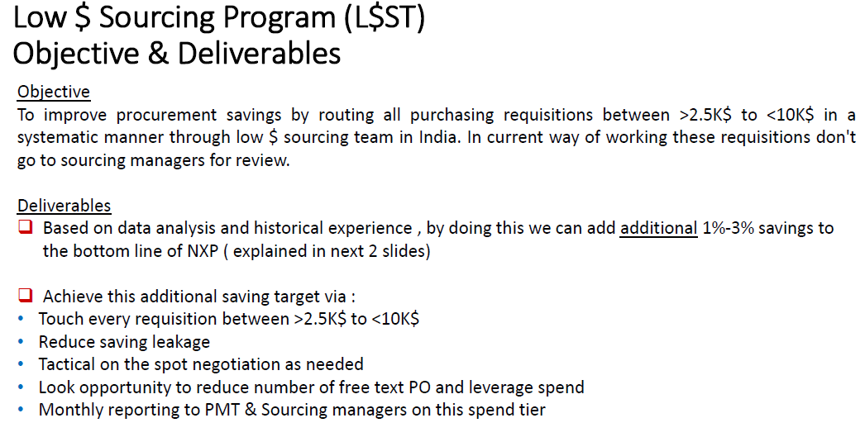
Procurement finalizes negotiation and contract execution |  | IT Requisitioner enters PR and sends PR Status Email to IT Requester, approvers and interested parties | New Procurement Step

Procurement notifies IT Requester to start Purchase Requisition |  | IT Requisitioner monitors approvals, follows up with approvers and notifies IT Requester of delays

 |  | If required, IT Requester follows up with approvers and provides additional information

 |  | IT Requisitioner provides IT Requester PO#

